Sheet1
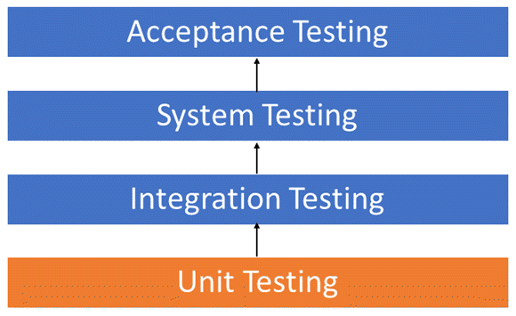
Test Cases
Test case id | Unit to test | Assumptions | Test data | Steps to be executed | Expected Results | Actual Result | Pass/Fail | Comments
ML-53 | Forgot password | Should direct to the email to reset the password |  | Homepage-> Login -> Forgot Password | Password Reset and directed to login page again
ML-11 & ML-25 | Profile | Profile creation should be successful |  | Homepage-> Login-> Profile | Check all the details filled with valid zip codes and phone numbers.
ML-11 & ML-25 | Profile | Show an error with missing fields |  | Homepage-> Login-> Profile | Check to missing/mandatory fields*
ML-42 | Homepage | should display home page with camera icon |  | Homepage | Check if the categories are correct
ML-44 | Recipe Page | Recipe should display the list of suggested vegetables |  | Homepage ->Recipe | Check if the vegerables are displaying or not
ML-42 | Homepage | Customers should be able to access the homepage |  | Homepage | Once directed with url, you will be first redirected to homepage.
ML-44 | History | Customer should be able to search for images listed |  | Homepage-> History | History must provide the search box for user to search for desired services.
ML-44 | History | History displayed in search field should be relevant to logged in user only |  | Homepage-> History | Search box on History must display relevant information previously searched by the user.

